CABLE ASS'Y
홍콩 SCL PSR LAN CABLE ASS'Y

Pin map
Connector | Pin | Pin No. |  | Singal Name | CABLE | Length | Singal Name | Pin No. |  | Pin | Connector
HARTING 21 03 371 2403 | YELLOW | 1 |  |  | YELLOW (Twisted pair A) | 100mm |  | 4 |  | Molex, 5103-PBT9 | MOLEX 35155-04
 | ORANGE | 3 |  |  | ORANGE (Twisted pair A) | 100mm |  | 3
 | WHITE | 2 |  |  | WHITE (Twisted pair B) | 100mm |  | 2
 | BLUE | 4 |  |  | BLUE (Twisted pair B) | 100mm |  | 1

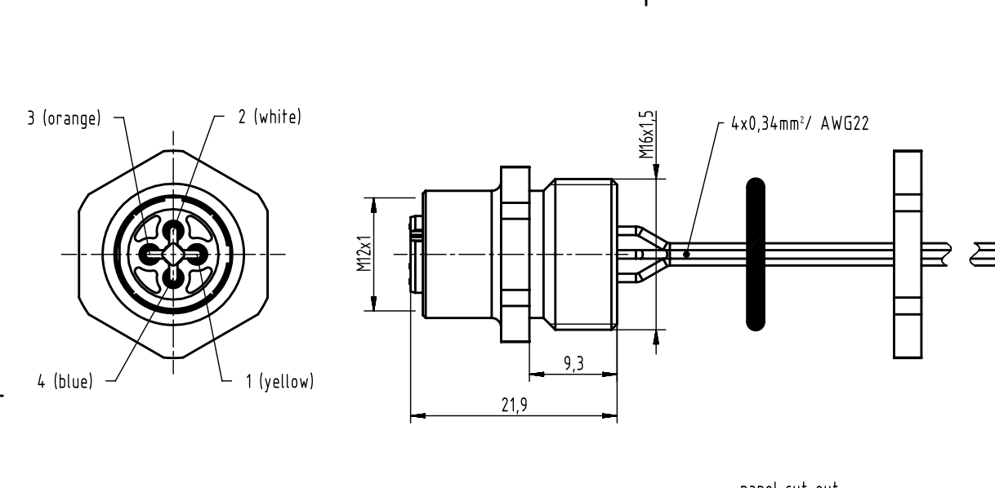
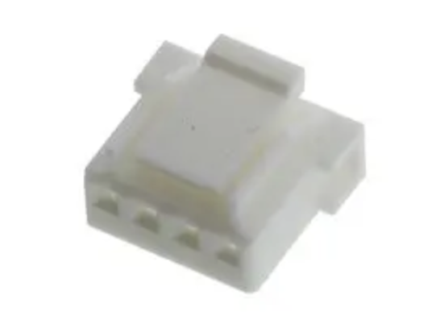
Diagram & Label
 |  | HARTING 21 03 371 2403 |  |  |  |  |  |  | MOLEX 35155-04
 |  |  | 1 | 0 |  |  | 0 | 4
 |  |  | 3 | 0 |  |  | 0 | 3
 |  |  | 2 | 0 |  |  | 0 | 2
 |  |  | 4 | 0 |  |  | 0 | 1

 |  |  |  | 100mm

Part list
No. | P/N | Type |  | Description |  | Qty. | Maker | Maker P/N |  |  | REMARK
1 | - | CONN |  | Harting M12 PFT Female 4-pole D-coded |  | 1 | HARTING | 21 03 371 2403 |  |  | Twisted pair
2 | - | CONN_HOUSING (2.5mm) |  | 2.5mm, 250VAC, 3A, -40℃ ~ +105, 4pin |  | 1 | Molex | 35155-04
3 | - | CONTACT_PIN (2.5mm) |  | 35155 Series, AWG #22~#28, 250V, 3A, -40℃ ~ +105℃ |  | 4 | Molex | 5103-PBT9
Total |  |  |  |  |  | 5

Revision history
No. | Date | Detail of revision |  |  |  | REMARK
1 | 2024-07-13 | 최초작성
2

